grocery
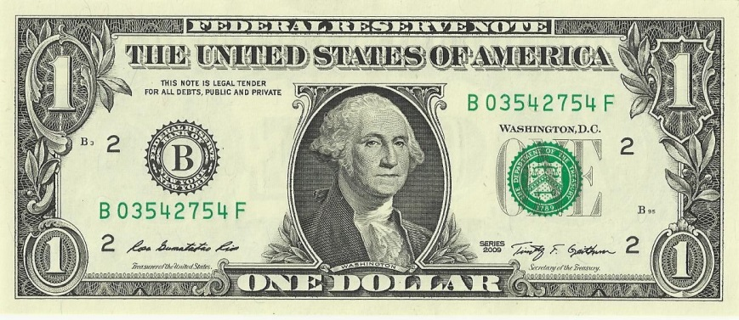
Net Income | 1% | 1% | 1%
Expenses | 9% | 9% | 9%
Labor | 25% | 25% | 25%
Cost of Goods Sold | 60% | 60% | 60%
Disccounts | 5% | 5% | 5%

bakery
Net Income | 20% | 20% | 20%
Expenses | 9% | 9% | 9%
Labor | 40% | 40% | 40%
Cost of Goods Sold | 30% | 30% | 30%
Disccounts | 1% | 1% | 1%
 | 1.00

blank
Net Income
Expenses
Labor
Cost of Goods Sold
Disccounts
Net Income | 20%
Expenses | 9%
Labor | 40%
Cost of Goods Sold | 30%
Disccounts | 1%

